Drainage calculator
Residential Development - Drainage Soakwell Capacity Calculator
Site details |  |  |  |  |  |  | Instructions
Address |  |  | 244 Vincent street
 |  |  |  |  | PROPOSED
Roof area (Must be connected to Soakwell or Rainwater Tank) |  |  |  |  | 150 | m² | Calculate your roof area here
Impervious Paved Area (Intended for soakwell connection) |  |  |  |  | 50 | m² | Any areas of your property where water will not soak in. E.g. concrete or paving
Total Site Area |  |  |  |  | 350 | m² | Total size of your property

Site above the street level? |  |  |  |  | YES |  | Is your property above street level?
Soakwell selection
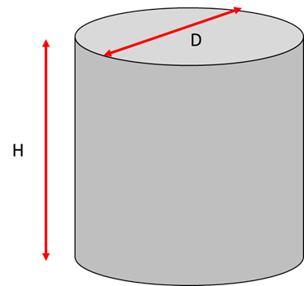
 | Select the diameter, depth and the number of soakwell in the table below:
 |  | ON/OFF | Diameter D (m) | Depth H (m) | Number of Soakwell | Total Base Area (m2)
 |  |  |  |  |  |  | Please select your proposed soakwell size and number.
Option 1 |  | ON | 1.5 | 1.5 | 3 | 5.3014 | How many soakwells are you planning to install and what size?
Option 2 |  | OFF | 1.2 | 0.9 | 3 | 0.0000 | If you are using more than one size soakwell, please add your additonal sizes below
Option 3 |  | OFF | 1.05 | 1.2 | 4 | 0.0000
 |  |  |  |  | Total= | 5.30

Note: Sandy Clay, Medium Clay and Heavy Clay must connected to council's drainage system via OSD Pit
Total volume provided |  |  |  |  |  |  | This calculation shows your soakwell storage total capacity based on the size and number you have selected
Storage Volume Provided |  |  |  |  | 7.95 | m3 | If highlighted GREEN you have provided compliant storage requirements for your site
 |  |  |  |  |  |  | If highlighted RED please increase your soakwell size and/or number to accommodate compliant storage
Storage volume calculation
TOTAL STORAGE REQUIRED |  |  |  |  | 7.33 | m3 | This TOTAL STORAGE REQUIRED is based on the site details provided

