Design calculator
Residential Development - Drainage Soakwell Capacity Calculator
1. Site Details |  |  |  |  |  |  | Instructions
Address |  |  | 134 Forrest St
 |  |  |  |  | PROPOSED
Roof area (Must be connected to Soakwell or Rainwater Tank) |  |  |  |  | 300 | m2 | Calculate your roof area here
Impervious Paved Area (Intended for soakwell connection) |  |  |  |  | 150 | m2 | Any areas of your property where water will not soak in. E.g. concrete or paving
Total Site Area |  |  |  |  | 400 | m2 | Total size of your property
Note: Inflow volume is based on impervious area. The Applicant is required to calculate total impervious area as an input.
Do not include paved areas that drain into gardens or lawn areas.
2. Soil Property

Soil type |  |  |  |  | Sandy Clay |  | If a soil classification report has been conducted please choose accordingly, however most sites in the City of
Saturated Hydraulic Conductivity, Kh |  |  |  |  | 0.000010000 |  | Vincent are sandy soils.
Soil Moderation Factor, U |  |  |  |  | 1

3 .Rainfall Data

Design ARI |  |  |  |  | 20 |  | If the proposal is below the street level, the residenttial property shall apply a design ARI of 1 in 100 equivalent
Design Rainfall Duration |  |  |  |  | 60 |  | to 1% AEP to contain stormwater on-site for 1 hour duration as per City policy.
Design Rainfall Intensity |  |  |  |  | 32.5
Design AEP (Annual exceedence probability) % |  |  |  |  | 5.00
6. Soakwell Selection
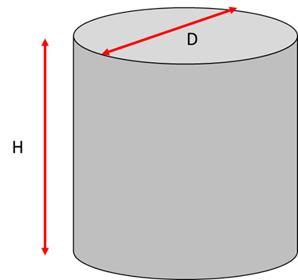
 | Select the diameter, depth and the number of soakwell in the table below:
 |  | ON/OFF | Diameter D (m) | Depth H (m) | Number of Soakwell
 |  |  |  |  |  |  | Please select your proposed soakwell size and number.
Option 1 |  | ON | 1.05 | 1.5 | 3 |  | How many soakwells are you planning to install and what size?
Option 2 |  | ON | 1.05 | 1.5 | 1 |  | If you are using more than one size soakwell, please add your additonal sizes below
Option 3 |  | OFF | 1.2 | 0.9 | 1
Total Volume Provided |  |  |  |  |  |  | This calculation shows your soakwell storage total capacity based on the size and number you have selected
Storage Volume Provided |  |  |  |  | 5.20 | m3 | If highlighted GREEN you have provided compliant storage requirements for your site
Storage volume calculation
TOTAL STORAGE REQUIRED |  |  | version 2.0 - 04/08/2026 |  | 13.62 | m3 | This TOTAL STORAGE REQUIRED is based on the site details provided
DISCLAIMER: The information provided is not intended to be a substitute for professional advice, diagnosis, or treatment from a qualified engineer. It does not take into account your specific project requirements, personal circumstances, soil types or hydraulic conductivity. You should not rely on this information without first seeking independent verification and assessment from a licensed and qualified engineer. The content creator is not liable for any loss or damage arising from the use of, or reliance on, this information." |  |  |  |  |  |  | VERSION 2.0 - 04/08/2026

